Sheet1
Project Name | Sweet Donut
Project Code | B41 SDET_028_SDET Sentinels
URL | Sweet Donut
Reviewed By | self-reviewed

Test Case_ID | Module | Test Case Description | Pre-condition | Test-Steps | Test-Data | Expected result | Actual result | Priority | Status | Screenshot

TC_001 | Functional | verify the signup process with valid credentials | the user is on the signup page | 1. Open the website 2. click on sign up 3. click on enter number or email 4. enter email id or phone number 5. then enter the otp | Number - 9876543210 | Otp should send on this number and User is successfully login | OTP was not send on this number , Automatically receive OTP on signup page and successfuly login | High | Fail | 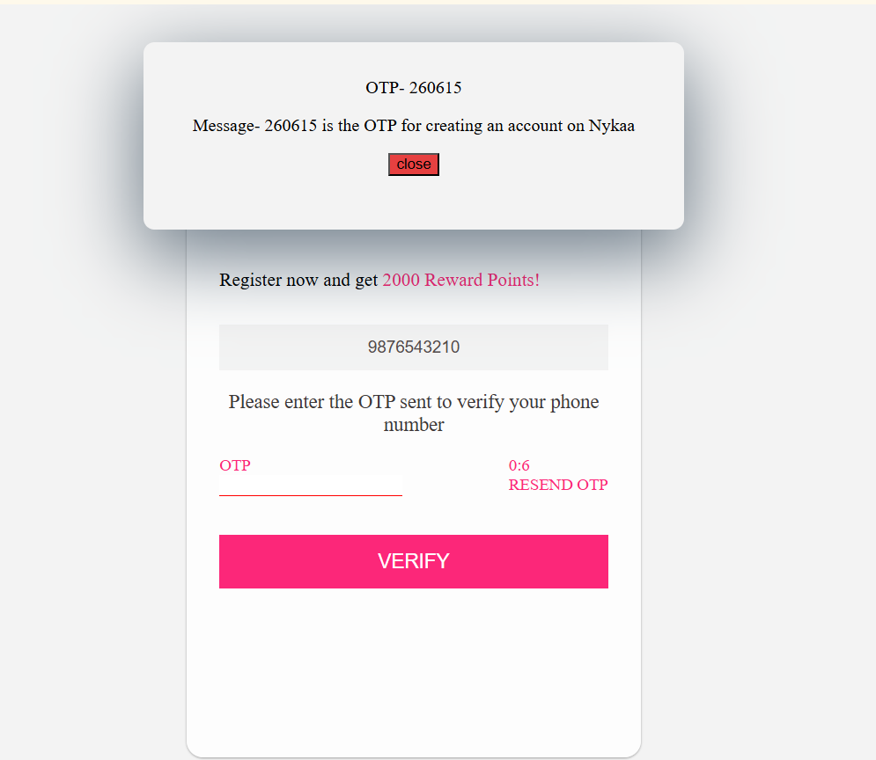
TC_002 | Functional | verify the signup with invalid credentials | the user is on the signup page | 1. Open the website 2. click on sign up 3. click on enter number or email 4. enter email id or phone number | Number- 98765 | Displayed a error message | getting an alert message "ENTER A VALID MOBILE NUMBER" | High | Pass | NA
TC_003 | Functional | verify the signup with Google | the user is on the signup page | 1. Open the website 2. click on sign up 3. click on Google | N/A | successfully login with Google id | It is not clickable | High | Fail | 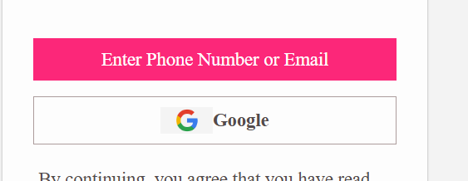
TC_004 | Functional | Verify the search bar displays relevant results for a product query. | Website is loaded | 1. Enter "Kajal" in the search bar. 2. Verify the search results display matching products. | 1. Enter "Kajal" in the search bar. | Relevant Sweet Donut products should appear in the search results. | nothing is appear ,return homepage is loaded | High | Fail | 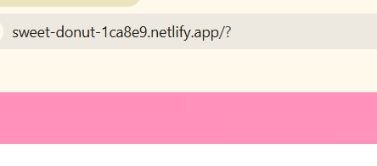
TC_005 | Functional | Verify users can filter products by categories like price, ratings, or discounts. | product page is loaded. | 1. Apply a filter (e.g., price: ₹500–₹1000) 2. Check if only products matching the filter are displayed.. | select price low to high | The filter should work correctly, and products outside the range should not appear. | nothing is appear relevant to filter , in every link only one page is loaded | Medium | Fail | 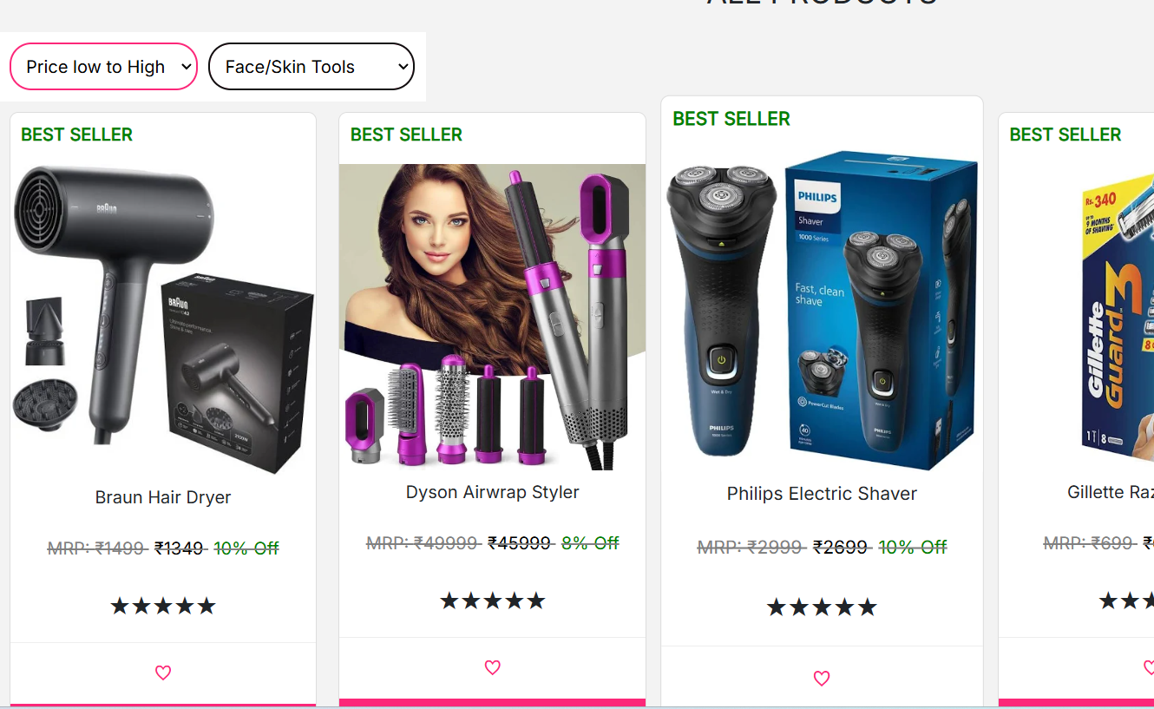
TC_006 | Performance | Verify the Homepage loads without errors. | Stable internet connection and a supported browser. | Open a browser and go to the Nykaa website homepage. | N/A | The homepage loads with all banners, products, and navigation intact. | it is loaded | High | Pass | N/A
TC_007 | UI | Verify all banners, products display correctly. | The Sweet Donut page is accessible. | 1. Navigate to the Sweet Donut page. 2. Scroll through the product listings 3..Verify images, names, and prices are displayed for each product. | N/A | All products should have accurate images, names, and prices displayed. | All products have accurate images, names, and prices displayed. | High | Pass | N/A
TC_008 | Functional | Verify users can add products to the cart. | product page is loaded. | 1. Select a product. 2. Click the "Add to Cart" button. 3. Go to the cart and verify the product is listed. | Braun Hair Dryer | The selected product should be added to the cart. | successfully add to cart | High | Pass | N/A
TC_009 | Functional | Verify user can remove product from the cart | User is on the bag section | 1. open the website 2. select a product 3. add to cart this product 4. click on bag 5. remove product from the cart | hairwrap styler | Product should successfully removed from the cart | Successfully remove from cart | High | Pass | N/A
TC_010 | Functional | Verify the checkout process for Sweet Donut products. | The product is added to the cart. | 1. Navigate to the cart. 2. Click "Proceed to Checkout." 3.Fill in delivery details and select a payment method. | Delivery Address: "123 Nykaa Lane, Mumbai" Payment Method: Cash on delivery | The checkout should complete successfully with a confirmation message. | Successfuly checkout | High | Pass | N/A
TC_011 | Functional | Verify users can add products to the wishlist. | the product page is loaded | 1. Select a product. 2. Click the "Add to Wishlist" button. 3. Navigate to the wishlist section and verify the product is listed. | Braun Hair Dryer | The selected product should appear in the wishlist | Wishlist button is Not clickable | Medium | Fail | 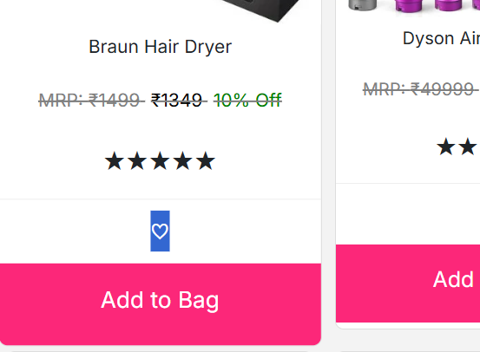
TC_012 | Functional | Verify users can view and add reviews for products. | the product page is loaded | click on reviews | Rating: 5 stars | The review should be submitted and appear in the reviews section. | Review section is not there , only reviews displayed not a changeable or clickable | Medium | Fail
TC_013 | UI | Verify the website layout adapts correctly to different screen sizes | Stable internet connection | 1. Open the website on a desktop browser. 2. Resize the browser window or use developer tools 3.Open the website on a mobile device and tablet. | N/A | The layout should adjust without breaking, | yes, the layout is adjust without breaking | High | Pass | N/A
TC_014 | UI | Verify the text and background colors meet accessibility contrast | Website is loaded | inspect various sections of the page (headers, product descriptions, buttons). | N/A | All text should be easily readable against the background. | yes | Medium | Pass | N/A
TC_015 | Functional | Verify users can update the quantity of a product in the cart. | At least one product is added to the cart. | 1. Navigate to the cart. 2. select the product quantity . 3. Verify the total price updates accordingly. | Braun Hair Dryer | The quantity should update, and the total price should be recalculated. | the quantity is update and total price is recalculated | High | Pass | N/A
TC_016 | Usablity | Verify if the website is easy to navigate. | User is on the website. | 1. Open the website. 2. Try to navigate through different sections. 3. Verify if the flow is smooth. | N/A | The website should be easy to navigate and the flow should be logical. | The website is easy to navigate and the flow is logical. | High | Pass | N/A
TC_017 | Cross-browser | Verify if the website works correctly on multiple browsers. | User is on the website. | 1. Open the website on Chrome, Firefox, Safari, and Edge 2. Check if the website looks and works the same. | Browsers: Chrome, Firefox, Safari, Edge | The website should work the same on all browsers. | The website work the same on all browsers. | Medium | Pass | N/A
TC_018 | Functional | Verify the Footer links and naviagtion link | user is on the homepage | user is on the homepage | N/A | All footer link and navigation link is connected to related page | Footer links and navigation link are not connected to related page only home page loaded in clicking | High | Fail | 
TC_019 | Functional | Verify the button of "Start Shopping" in empty bag | User is on the bag section | 1. Open the website 2. click on bag | N/A | "Start Shopping" button should be clickable | "Start Shopping" button is not clickable | Medium | Fail | 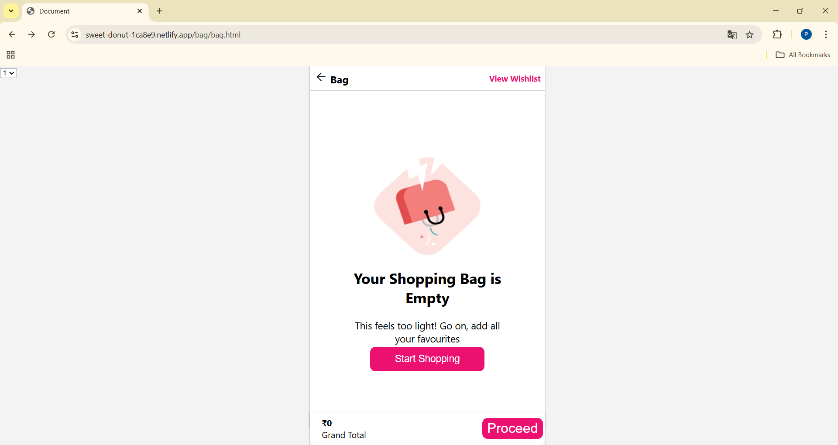
TC_020 | Functional | Verify the Back button is workable or not in bag section | User is on the bag section | 1. Open the website 2. click on bag 3. then click on back button | N/A | Back button should be clickable and also connected to the page | In bag section "back button" is clickable but not connected to the page | Medium | Fail | 
TC_021 | Functional and UI | verify the Process button in empty bag | User is on bag section | 1. open the website 2. Click on bag 3. click on process button | N/A | When bag is empty then process button should not show | When bag is empty then process button should not show but it is showing in empty bag also | Medium | Fail
TC_022 | Functional | Verify nykaa logo | User is on homepage | 1. open the website 2. then click on nykaa logo | N/A | Nykaaa logo should be clickable | Logo is clickable and workable | High | Pass | N/A
TC_023 | Functional | Verify offer section in navigation bar | User is on the homepgae | 1. open the website 2. then click on offer in navigation section | N/A | Offer should be clickable and connected to their related page | In navigation bar offer section is not clickable | High | Fail | 
TC_024 | Functional | Verify Suggestions are coming or not in search bar | User is on the homepage | 1. Open the website 2. search something | Lakme beauty items | Suggestions should be coming when something search | No suggesstions are coming | High | Fail | 
TC_025 | UI | Verify Sliding buttons are align correctly and visible clearly | User is on the homepage | 1. open the website | N/A | Sliding button should be clearly visible | No sliding button is not clearly visible | Medium | Fail | 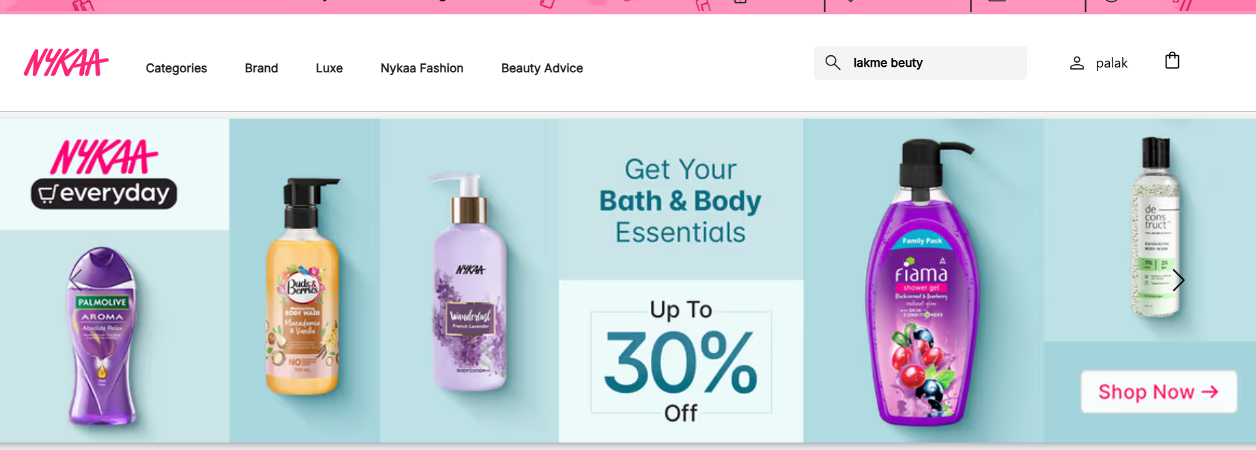
TC_026 | Functional | Verify order confirmation emails are getting after purchase. | User should atleast purchase one product | 1. open the website 2. add product to cart 3. click on checkout 4. fill the information and select payment method 5.. then click on confirm | N/A | Order confirmation email should be getting | No any order confirmation email is not getting | High | Fail | N/A
TC_027 | Functional | Verify the website page is scrollable | user is on the homepage | 1 . open the website | N/A | Website page should be scrollable independently | Website page is scrollable | Medium | Pass | N/A
TC_028 | UI | Verify the alignment and size of the search bar across devices. | User is on the homepage | 1. open the website | N/A | The alignment and size of searchbar should be correctly | Alignment and size of searchbar is correct | Medium | Pass | N/A
TC_029 | UI | Verify All elements are clearly visible (price, description, reviews) | User is on the website. | 1. open the website 2. check the product | N/A | All elements should be clearly visible | Yes , all element are clearly visible (price, description, reviews) | High | Pass | N/A
TC_030 | UI | Verify "ADD to Cart" button stay in position during scrolling | User is on the product page | 1. open the website 2. click on any product | N/A | Add to cart button should be stay in position during scrolling | Add to cart button is stable during scrolling | Medium | Pass | N/A

